Instructions
 | CLIENT: | City of Muskogee Foundation
 | PLAN NAME: | Muskogee Forward
 | TIP CONTACT: | Alexis Angelo | alexis@tipstrategies.com

ABOUT THIS DOCUMENT |  |  | LEAD ORGANIZATION The abbreviations below populate the pull-down menus for the "Lead Organization" column and should not be edited or deleted.
This implementation matrix is designed to be a flexible, ever-evolving tool for tracking progress towards implementation of your strategic plan. In addition to identifying lead organizations and establishing priorities, it provides a graphic representation of when actions should realistically be implemented and suggests potential partners to help carry them out. The status column provides a visual indicator for monitoring where each strategy and action stands. Finally, space is provided for capturing notes about proposed budgets, milestones achived, and barriers encountered.
MATRIX COMPONENTS |  |  | COMF
Lead Organization | Organization responsible for implementation of this task. |  | COM
Supporting Partners | Stakeholder and partner organizations that will serve as collaborators or that can help move implementation forward. |  | Mayor
Timeline | A visual representation of the suggested timing of implementation |  | Port
Status | ON TRACK | This item has been accomplished or action is on track toward meeting or maintaining this task. | Chamber
 | IN PROGRESS | Action has been initiated, but is delayed or otherwise not fully on track. Requires removal of barriers or other actions to achieve implementation. | Tourism Office
 | INCOMPLETE | Action has not begun on this item or barriers may prevent implementation. | MPS
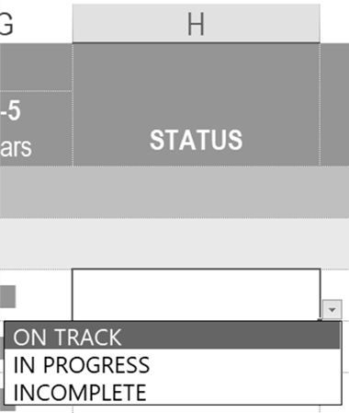
Notes / Resources | Brief description of relevant activities, major milestones, and/or budgets related to this task. |  | Muskogee Forward Committee
NOTE: | The "Lead Organization" and "Status" columns have been conveniently formatted with drop-down lists. Please use one of the provided list items to populate these fields by clicking arrow that appears at the bottom right of each cell in these columns. See illustration. For the Status column, your selection will be automatically color-coded to match the indicators shown above. (These cells populate the drop -down menu and should not be edited or deleted. Likewise, the abbreviations shown in Column G are used to populate the Lead Organization drop-down list.) The remaining fields are free-form and will accommodate any length of text.

ABBREVIATIONS USED
Abbreviation | Organization Name
COMF | City of Muskogee Foundation
COM | City of Muskogee Staff
City Council | City of Muskogee Council
Mayor | City of Muskogee Mayor
Port | The Port of Muskogee
Chamber | Greater Muskogee Area Chamber of Commerce
Tourism Office | Muskogee Tourism Authority
MPS | Muskogee Public Schools
Historic District | Founders' Place Historic District
MRA | Muskogee Redevelopment Authority
Transit Office | Muskogee County Transit Office
Muscogee | Muscogee (Creek) Nation
Cherokee | Cherokee Nation
Muskogee Forward Committee | Muskogee Forward Steering Committee
Higher Education | Indian Capital Technology Center
 | Connors State College–Three Rivers Port Campus
 | Bacone College
 | Northeastern State University Muskogee
EDA | Economic Development Administration - Austin Regional Office
EODD | Eastern Oklahoma Development District
Education Consortium | Muskogee Education Consortium
Tourism Committee | Muskogee Tourism Committee
Healthcare Businesses | Healthcare related businesses (eg. Green Country Behavioral Health Services, Inc.)
Nonprofits | Community Nonprofits (eg. Neighbors Building Neighborhoods)
Arts Orgs. | Arts Organizations (eg. Roxy Theater)
[ABC] | [Full name]
[ABC] | [Full name]
[ABC] | [Full name]
[ABC] | [Full name]
[ABC] | [Full name]
[ABC] | [Full name]
[ABC] | [Full name]

